STOCK
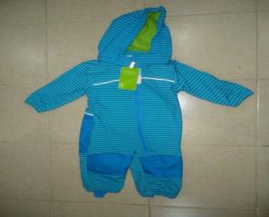
 |  |  | STOCK LOT |  |  |  |  |  |  |  |  | LAST UPDATE : 19.06.2016
 |  |  |  |  |  |  |  |  |  |  |  | REMARKS
1 |  | FASHION LINQ | 94% pl/ 6% spandex pongee softshell 315 gsm
 |  |  |  |  | 74 | 80 | 86 | 92 | Total ( Pcs)
 |  |  | $2.80 | ALL OVER | 1540 | 2340 | 3150 | 3020 | 10050
 |  |  |  |  |  |  |  |  | 10050

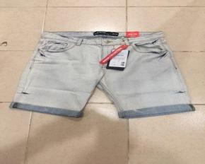
2 |  | TBOE | 100 % COTTON 10 0Z DENIM
 |  |  |  |  | S/46 | M/48 | L/50 | XL/52 | XXL/54 | Total ( Pcs )
 |  |  |  | WHITE | 360 | 419 | 382 | 293 | 275 | 1729
 |  |  | $3.40

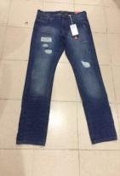
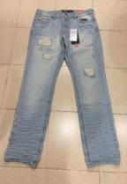
3 |  | TBOE | 100 % COTTON 12 OZ DENIM |  | S/46 | M/48 | L/50 | XL/52 | XXL/54 | Total Pcs)
 |  |  |  | LIGHT BLUE | 770 | 870 | 499 | 339 | 271 | 2749
 |  |  | $5.00 | DARK BLUE | 1193 | 1357 | 771 | 518 | 427 | 4266
 |  |  |  |  |  |  |  |  |  | 7015

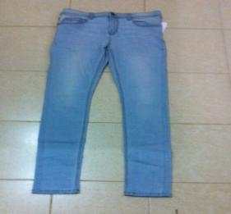
 |  | GB ( Bonobo ) | 99 % COTTON 1 % ELASTHAN 10 OZ DENIM
4
 |  |  |  | Light wash | 34 | 36 | 38 | 40 | 42 | 44 | Total (Pcs )
 |  |  | $3.20 | Qty | 92 | 640 | 923 | 519 | 389 | 385 | 2948
 |  |  |  |  |  |  |  |  |  |  | 2948

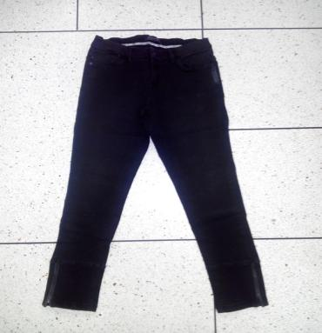
5
 |  | GB ( Bonobo ) | 32%COTTON 32% MODAL 31%POL 3 % RAYAN 2 % ELA12 OZ | Dark wash | 34 | 36 | 38 | 40 | 42 | 44 | Total ( Pcs )
 |  |  |  | Qty | 926 | 1543 | 1492 | 772 | 463 |  | 5196
 |  |  |  |  |  |  |  |  |  |  | 5196

 |  |  | $3.20

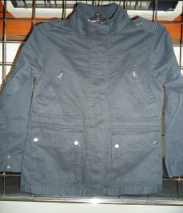
6 |  | HELLENIC | 100 % COTTON 128x54/20x21/2 TWILL |  | 34 | 36 | 38 | 40 | 42 | 44 | Total ( Pcs )
 |  |  |  | BLACK | 846 | 1075 | 690 | 520 | 510 | 150 | 3791
 |  |  |  | GREY | 594 | 981 | 684 | 585 | 306 | 297 | 3447
 |  |  |  | ARMY | 680 | 1150 | 1100 | 600 | 450 | 250 | 4230
 |  |  | $4.80 |  |  |  |  |  |  |  | 11468

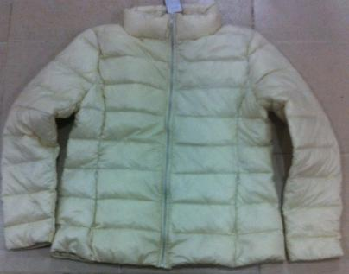
7 |  | KURABO | 100 % NYLON 380 T - SOFT FEELING |  | M | L | LL |  |  |  | Total ( Pcs )
 |  |  |  | IVORY | 263 | 522 | 266 |  |  |  | 1051

 |  |  | $6.30 |  |  |  |  |  |  |  | 1051

 |  |  |  |  |  |  |  |  |  |  | Total ( Pcs)

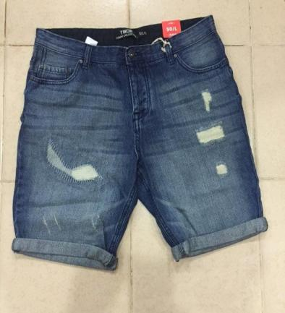
8 |  | TBOE | 100 % COTTON 12 OZ DENIM | Dark blue | 46-S | 48-M | 50-L | 52-XL | 54-XXL |  | Total (Pcs )
 |  |  |  |  | 1475 | 1710 | 1575 | 1264 | 1131 |  | 7155

 |  |  |  |  |  |  |  |  |  |  | 7155

 |  |  | $3.30

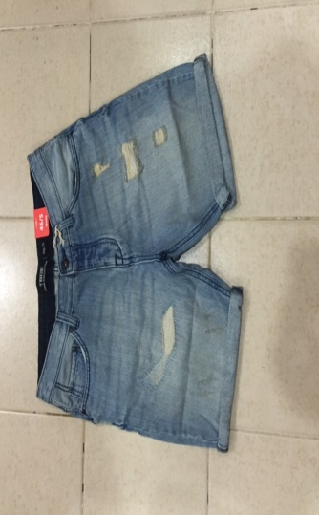
 |  | TBOE |  | LIGHT BLUE | 46-S | 48-M | 50-L | 52-XL | 54-XXL |  | Total (Pcs )
 |  |  |  |  | 433 | 480 | 447 | 350 | 332 |  | 2042

 |  |  |  |  |  |  |  |  |  |  | 2042

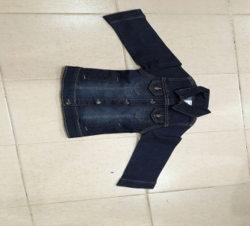
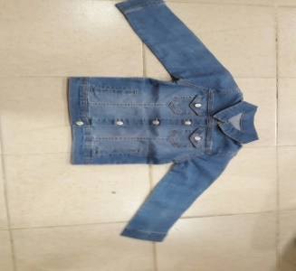
9
 |  |  |  | SIZE | 3M | 6M | 9M | 12M | 18M | 24M | Total Pcs)
 |  |  |  | DARK | 56 | 64 | 58 | 135 | 175 | 155 | 643
 |  |  | $3.50 | LIGHT | 3 | 45 | 90 | 70 | 162 | 155 | 525

 |  |  |  |  |  |  |  |  |  | Total ( Pcs)
10 |  |  | 100 % COTTON 20x10/128x78 TWILL |  | S/46 | M/48 | L/50 | XL/52 | XXL/54
 | 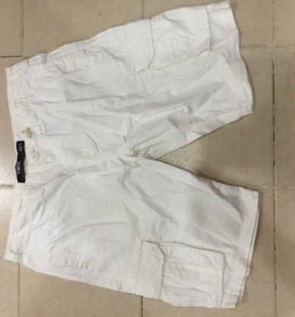 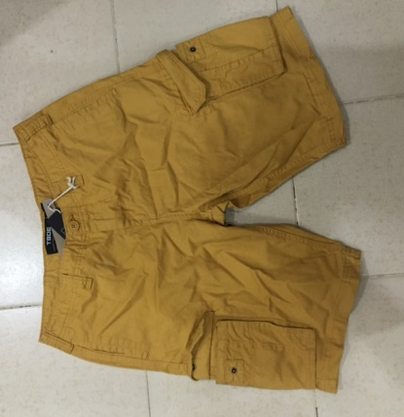 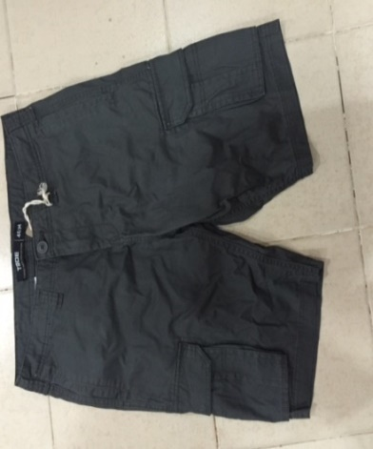 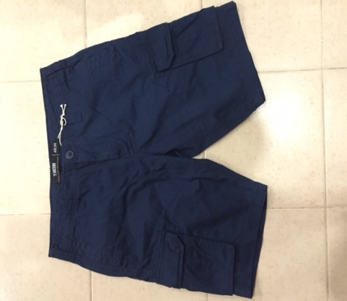 | TBOE |  | DARK BLUE | 325 | 165 | 37 |  | 74 | 601

 |  |  |  |  |  |  |  |  |  | 601

 |  |  | $3.50

 |  |  | 100 % COTTON 20x10/128x78 TWILL

 |  |  |  |  |  |  |  |  |  | Total (Pcs )
 |  |  |  | BEIGE | S/46 | M/48 | L/50 | XL/52 | XXL/54
 |  |  |  |  | 431 | 493 | 448 | 356 | 322 | 2050

 |  |  |  |  |  |  |  |  |  | 2050

 |  |  | 100 % COTTON 20x10/128x78 TWILL

 |  |  |  | BROWN | S/46 | M/48 | L/50 | XL/52 | XXL/54 | Total (Pcs )
 |  |  |  |  | 1588 | 1819 | 1684 | 1279 | 1208 | 7578

 |  |  |  |  |  |  |  |  |  | 7578

 |  |  | 100 % COTTON 20x10/128x78 TWILL

 |  |  |  | DARK GREY | S/46 | M/48 | L/50 | XL/52 | XXL/54 | Total (Pcs )
 |  |  |  |  | 698 | 619 | 476 | 270 | 366 | 2429

 |  |  |  |  |  |  |  |  |  | 2429

